Demographic Variables
Geography | Sex/Gender Identify | Age | Race and Ethnicity | Sexual Orientation | language
State | Male/Female | Age4 -- every 10 | RE1 -- Mutually exclusive and exhaustive (MEE) - Non-Hispanic (NH) -- (OMD Standard) |  | national origin
Regions (groups of counties) | M/F/non-binary | Age3 -- every 5 | RE2 -- MEE - Hispanic
PUMA - Public Use Microdata Area | M/F/NB/trans | Age2 -- 0, 1-4, every 5 | RE3 -- ANY -- any mention of a race or Hispanic regardless of any other races or Hispanic mentioned
County |  | Age1 -- Individual year | RE4 -- Detail -- detailed Asian, NH/PI, Alaska Native, (Native American), and Hispanic subgroups
Local Health Jurisdiction |  | Age5 -- special age groupings | RE5 -- All possible specific multirace combinations
City (other than LHJ cities)
MSSA |  |  | -groups not otherwise represented in traditional census datasets (E.G. non-white peoples of middle-eastern decent, ethno-religious populations, etc.) '-Claritas might be a source for this?
Tract
Block Group
Zip
ZCTA
Block |  |  | Straw Poll
Tribal entities |  |  | Do you current use data at this level - check all that apply?
Unincorporated areas |  |  | Do you have a specific or urgent need for data at this level and currently have difficulty or can not access - check all that apply?
School Districts (CDE)

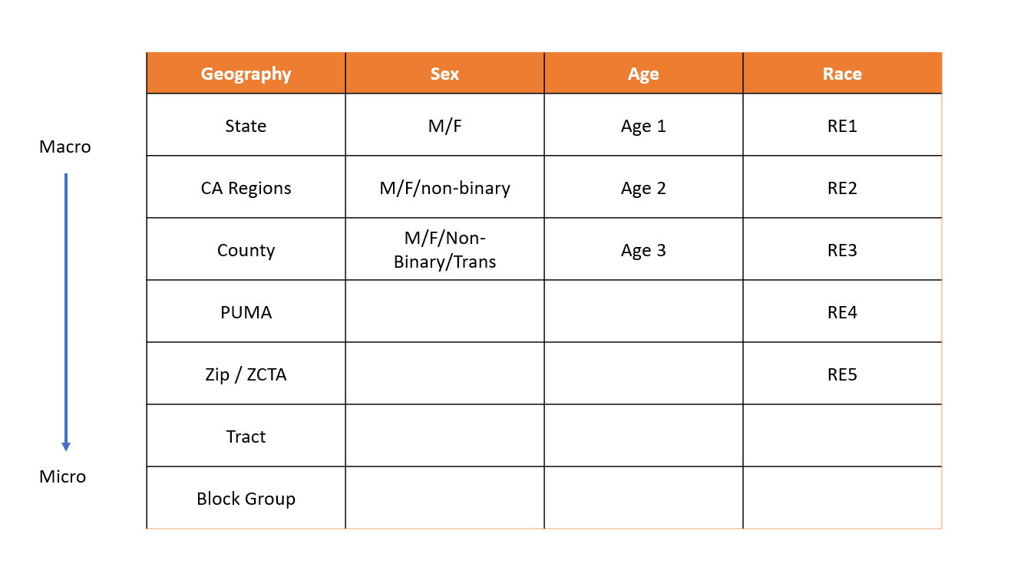
supervisorail district
city council

